Sheet1
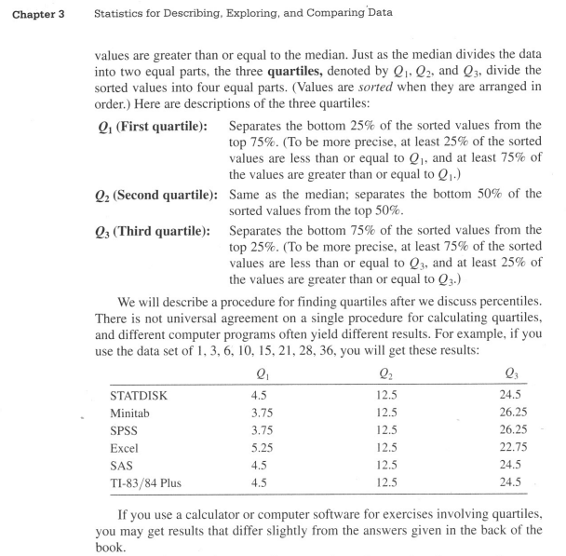
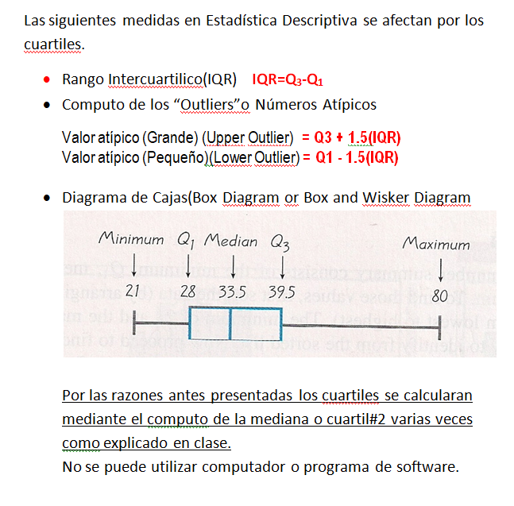
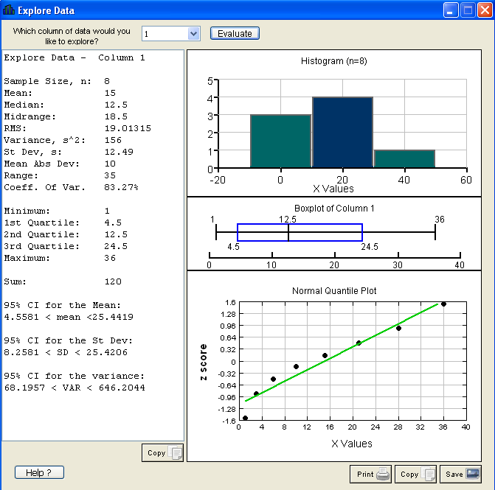
1
3
6
10
15
21
28
36

 | EXCEL | LOGICA
Q1 | 5.25 | 4.5
Q2 | 12.5 | 12.5
Q3 | 22.75 | 24.5

